Sheet1
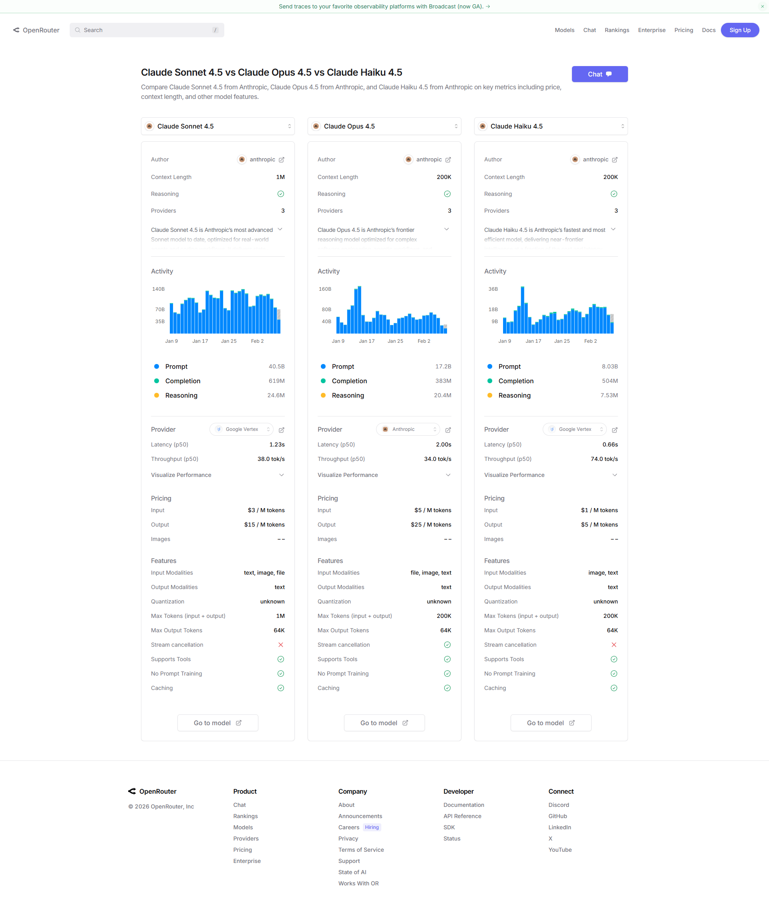
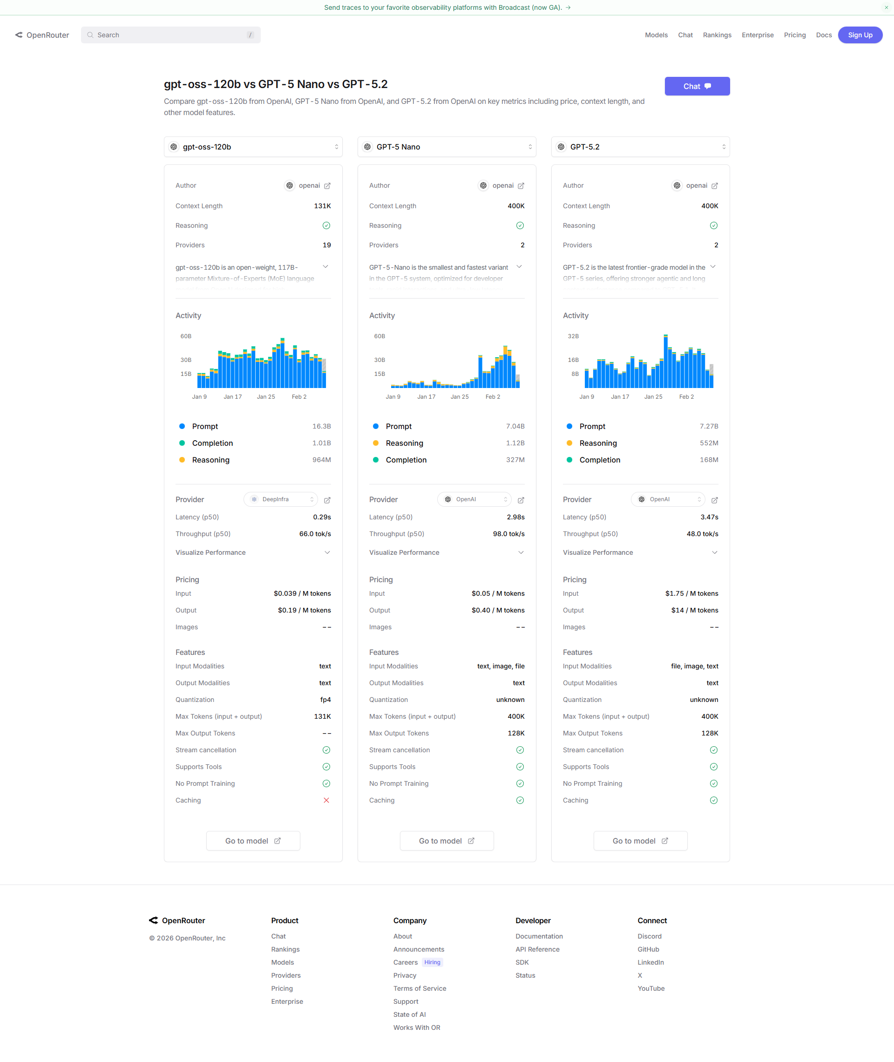
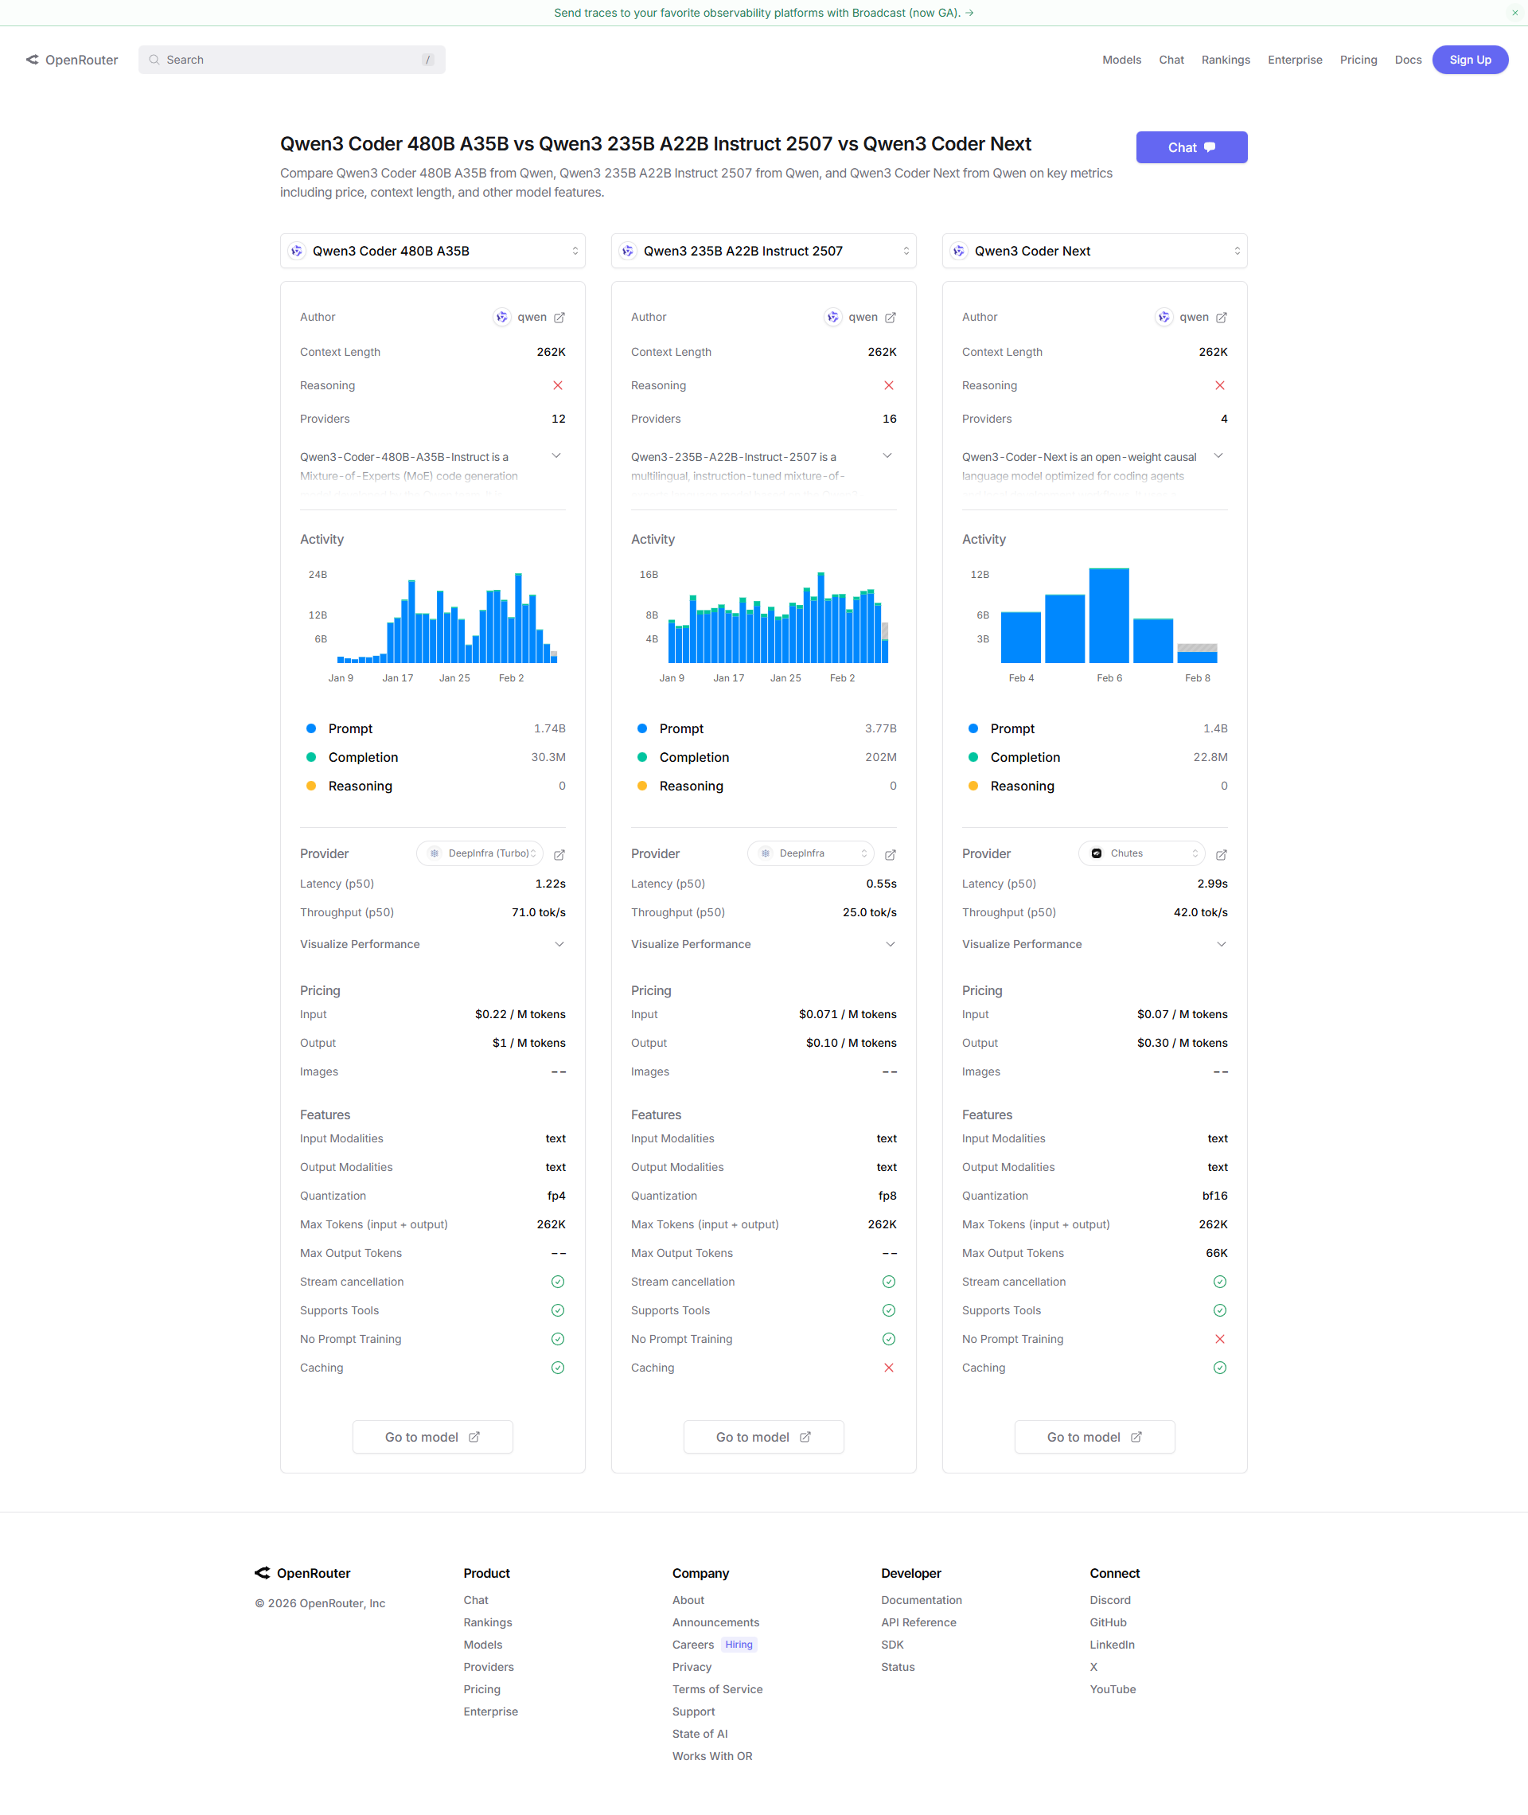
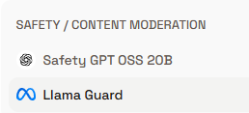
Moderation models in Groq
Safety GPT OSS 20B | Models | Context window | Input token | Maximum Output token | Maximum tokens=Context Window=I/p tokens+O/P tokens
Llama Guard
 | Anthropic: Claude Sonnet 4.5 | 1M context |  | 64K | 1M context
 | Anthropic: Claude Opus 4.5 | 200K context |  | 64K | 200K context
 | Anthropic: Claude Haiku 4.5 | 200K context |  | 64K | 200K context

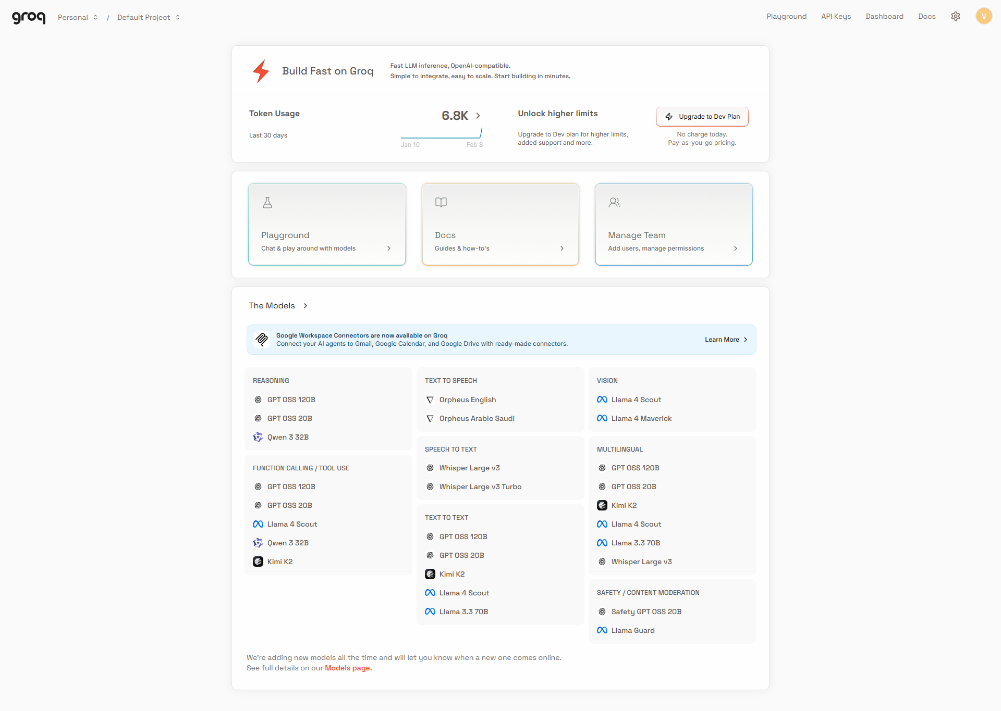
 | OpenAI: gpt-oss-120b | 131K context |  | - | 131K context
 | OpenAI: GPT-5 Nano | 400K context |  | 128K | 400K context
 | OpenAI: GPT-5.2 | 400K context |  | 128K | 400K context

 | Qwen: Qwen3 Coder 480B A35B | 262K context |  | - | 262K context
 | Qwen: Qwen3 235B A22B Instruct 2507 | 262K context |  | - | 262K context
 | Qwen: Qwen3 Coder Next | 262K context |  | 66K | 262K context

 | Example | Explanation
 | Anthropic: Claude Haiku 4.5 | If the input itself takes 150k tokens then the output tokens allowed will be only 50k as it is the allowed context window,eventhough it has not reached the maximum output token
 |  | Since the max output token is 64k -even thought the user has used only 100k tokens for input the output will have the limitation of max output only upto 64K

